1. Title Page
[Basket Cart Analysis]

Project Name: Basket Cart Analysis
Date: 11.11.23
Analyst Name: Jake Chesler

Contents:
Population Flow
Consistency checks
Wrangling steps
Column derivations
Visualizations
Recommendations

Data Citation

The Instacart Online Grocery Shopping Dataset 2017”, Accessed from www.instacart.com/datasets/grocery-shopping-2017 via Kaggle on [10.16.2023].

2. Population Flow
Title page

Population flow

Exclusion flag
Condition: max_order <
Obervations to be removed:
Final total count of order_products_all:

Orders_products_combined
Orders_products_merged
Orders_products_all

Total: (32404161, 23)
Total: (32434489, 9)
Total: (32404161, 31)

1.) The grey boxes in the first row of the population flow represent the original data sets as they were when you downloaded them. In the Total fields you need to add the count of the rows when you imported the data set into Jupyter.
2.) The second row of boxes (coloured) represents the data sets after you manipulated them, e.g., removed missing values and duplicates. In the Total fields you need to add the count of the rows after conducting these operations. This offers a visual oveview of how the data flows throughout the data consistency checks.
3.) The third row, where also the arrows are coloured, represents the merges you performed between the datasets. In the Total fields you need to add the count of the rows in the merged datasets, so that you end up with the final dataset (in the red box). Keep in mind the final dataset should be without exclusions (based on the exclusion flag).

3. Consistency checks
 |  |  |  | Title page
Consistency checks

Dataset | Missing values | Missing values treatment | Duplicates
orders | 698 prices/ 206209 days since prior order | removed prices values/ left days since prior orders values | none
products | 16 product names | removed values | removed 5 duplicates
orders_products_prior | n/a | n/a | n/a
customers | first names of some customers | nothing, did not affect data | no duplicates even when considering only last names

4. Wrangling steps
 |  |  |  | Title page
Wrangling steps

Columns dropped | Columns renamed | Columns' type changed | Comment/Reason
Orders['eval_set'] |  |  | not needed for analysis
 | order_dow' to 'day_of_week' |  | make header more clear
 | order_hour_of_day' to 'hour_of_day' |  | remove unnecessary words from header
 |  | order_id changed to object | order_id is an identifier
_merge' (multiple times) |  |  | just a flag when a merge has been performed
busiest days |  |  | less useful than busyness column
 | First Name to first_name |  | consistency and clarity across data
 | Surnam to last_name
 | STATE to state
 | Age to age
 | fam_status to marital_status
dropped first and last name |  |  | only did this to perform analysis on data due to PII, maintaine a copy of the data with all columns

5. Column derivations
 |  |  |  | Title page

Column derivations and aggregations

In this tab you should add tables below that the frequences of flags/label variables that you produced after deriving them. NB: don't do this for continuous variables, only for flags.
Dataset | New column | Column/s it was derived from | Conditions
ords_prods_merged | busiest day | day_of_week | based on days with the most vs least orders
ords_prods_merged | busyness | day_of_week | based on days with the most vs least orders, but labeling busiest as the top 2 days and slowest as the bottom 2 days based on orders
ords_prods_merged | busiest period of day | hour of day | number of orders per hour (frequencies)
ords_prods_merged | max order | order number, user_id | frequency of orders by user_id
ords_prods_merged | loyalty flag | max order | reg cust between 10 and 40 max orders, loyal customer is above 40 and new customer is below 10
ords_prods_merged | avg_prices | user_id and prices | calculates the average prices of goods purchased by user id
ords_prods_merged | spender flag | avg_price | avg price above 10 = high spender, 10 or below = low spender
ords_prods_merged | median days since prior order | days since prior order/user_id | calculated median day since prior order column based on user id
ords_prods_merged | frequency flag | median days since prior order | less than 10 = frequent customer, between 10 and 20 is regular customer and > 20 is non frequent customer
ords_prods__cust | age group | age | 18 - 35 = young adult, 36 -64 = middle age adult and 65+ = senior adult
ords_prods_cust | income level | income | 25000 - 75000 = low, 75001 - 125000 = middle and 125001+ = high
ords_prods_cust | dependent category | n_dependents | 0 = none, 1-2 = average and 3 = higher
ords_prods_cust | customer profile | marital status, dependent category and age group | young single adult = young adult, not married, no kids; young parent = married, young adult, dependents > 0; young parent = not married, young adult, dependents > 0

6. Visualizations
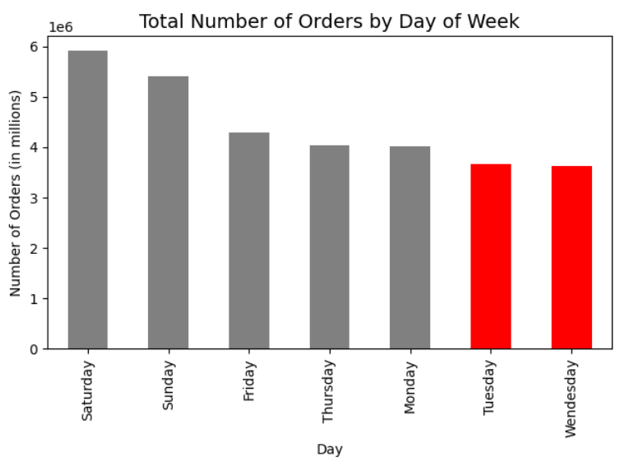
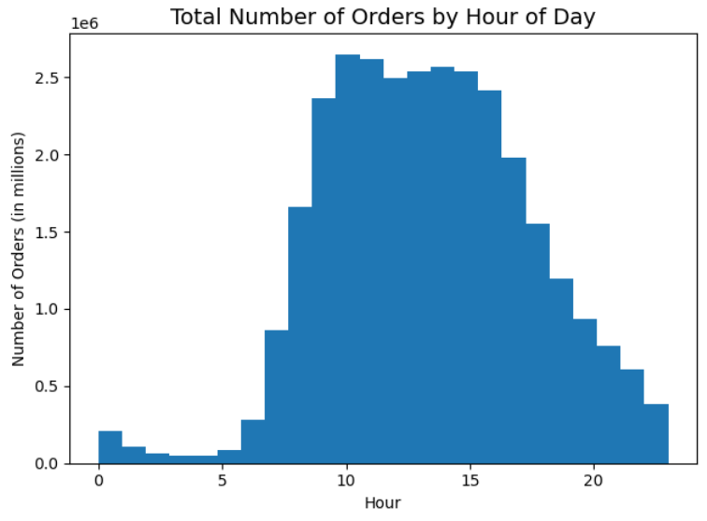
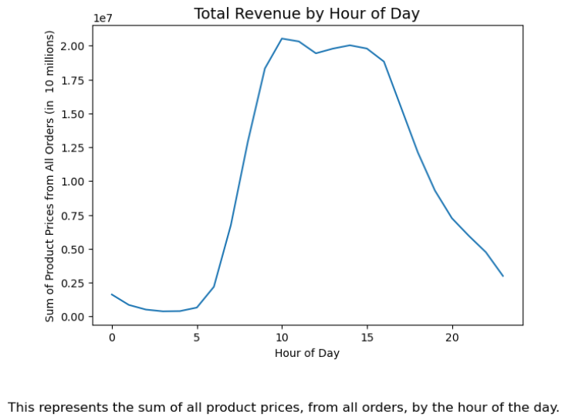
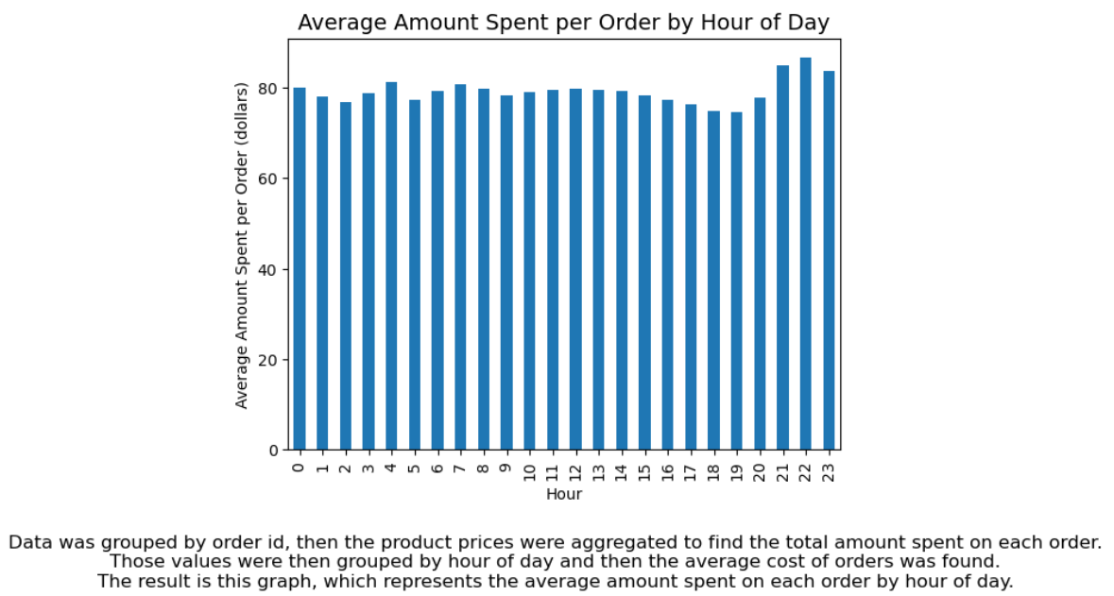
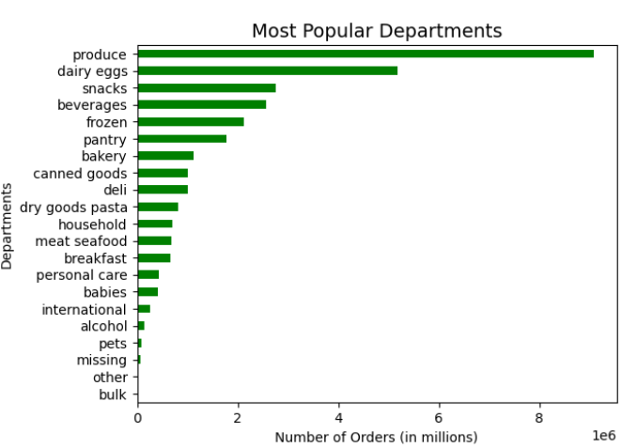
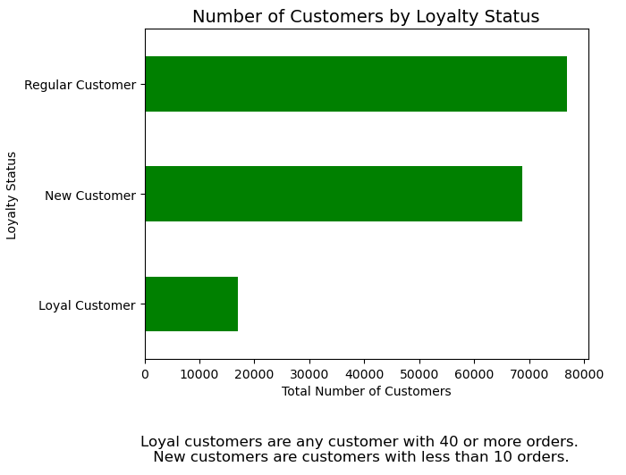
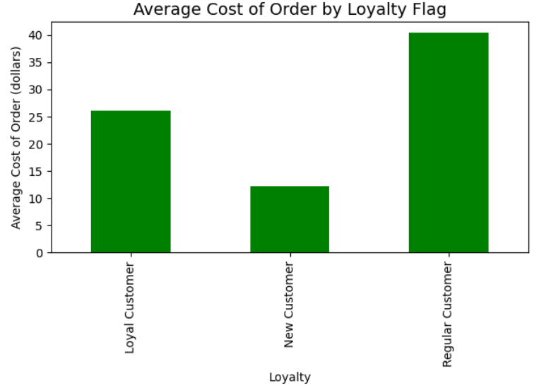
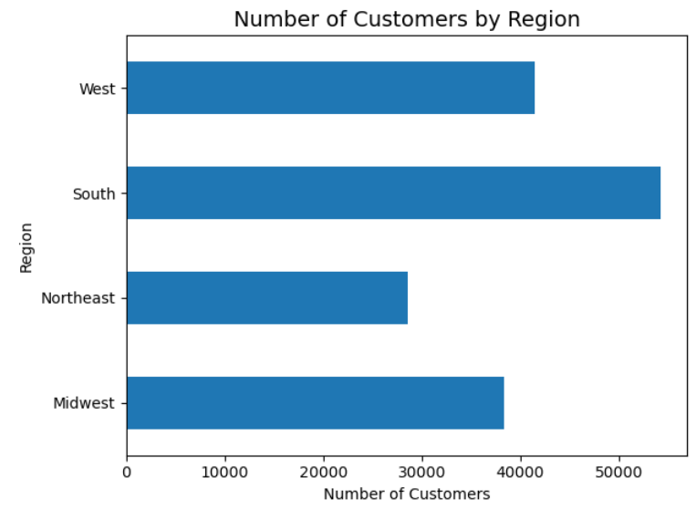
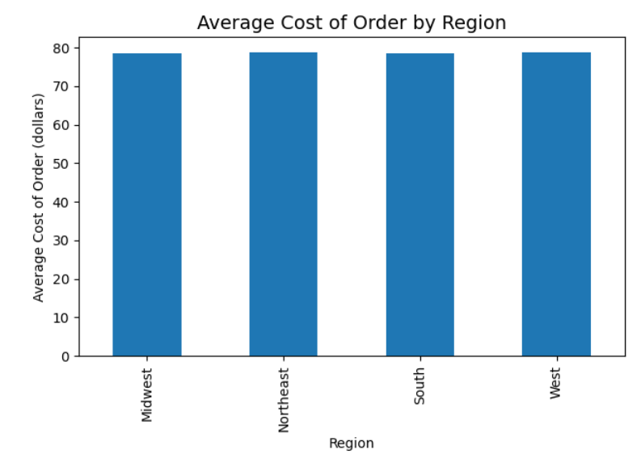
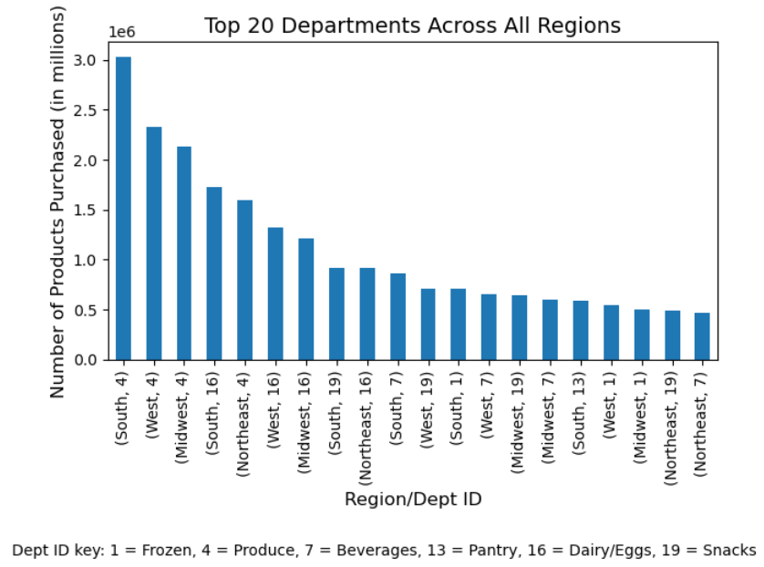
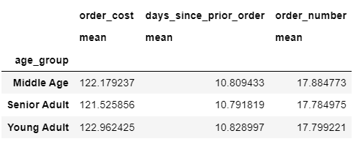
Title page

Visualisations

In this tab you should include all the visualtions from Exercises 4.9 and 4.10, alongside the questions from the project brief that they answer. Include any commentary on the relationship between different variables.

7. Recommendations
 |  | Title page

Recommendations

In this tab you should include any recommendations you would made to Instcart in terms of their marketing strategy based on the questions posed in the brief. Every key question has been covered in the Tasks of the Exercises - here you need to add an item - a visualisation or table/crosstable that is showing the answer in the data, acompanied by a comment from you. Please, list the questions below and add the answer underneath.

Questions: | Recommendations/Obersvations:

Busiest times and days of week? Marketing team wants to know when the slower times are so they can have adds during those times. | Tuesday and Wendesday are the slowest days and early mornings and late-afternoons to early evenins seem to be the slowest hours. Increase marketing during those days and times. Could offer discounts for people who order at those times.

What time of day do people spend the most money? | On average people spend just around $80 on their order, no matter what time of day it is. There is a subtle spike in that average around 9-11pm. However, most money is earned between the hours of about 9am and 4pm.

What department ids have the highest frequency of orders? | Produce, dairy/eggs, snacks, beverages and frozen items are the top 5 departments.

 | Of instacart's customers, regular customers make up the majority, closely followed by new customers. Loyal customers fall at the bottom, well below the others. Incentives (discounts, deals) should be offered to both new customers and regular customers to motivate them to place more orders, which would increase the number of loyal customers. Special offers could also be offered to loyal customers to help keep them as customers.
What is the distrobution of loyalty customers? What are their ordering habits? | Between the 3 groups, new customers spend the least on average, while regluar customers spend the most.

 | The South has the most customers. However, on average, each region spends about the same per order.

What is the customer distrobution by region?
What are the different region ordering habits?

 | Produce is the most popular department in each region, and the south has the most orders placed in the top 20 departments/region. Not much needed here because average amount spent is the same.

 | the best thing to do would be to increase membership in other regions, especially the north east.

Orderng Habits by age group?

 | No ordering differences amount different age groups'

Ordering Habits by Customer Profile?

 | No ordering differences among different customer profiles of young adults

Ordering Habits based on income? | The only noticeable difference between income levels is that customers in the low income group on average spend $10 less than customers in the medium and high income groups

Ordering Habits based on Marital Status
 | There is no differene in order habtis across different marital status

